Sheet1
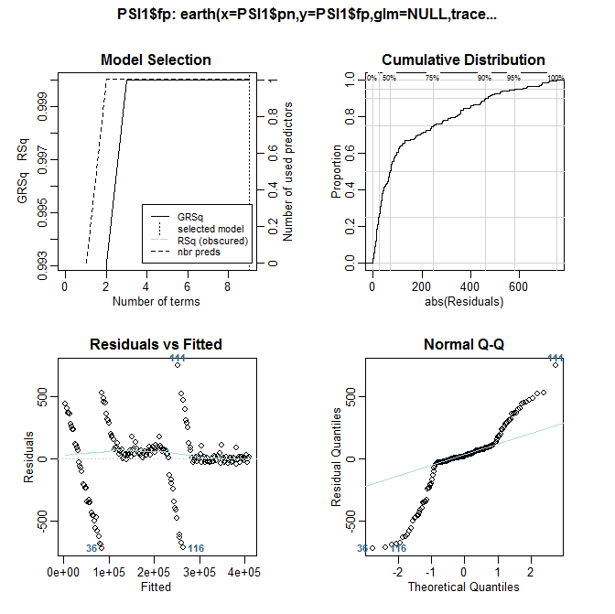
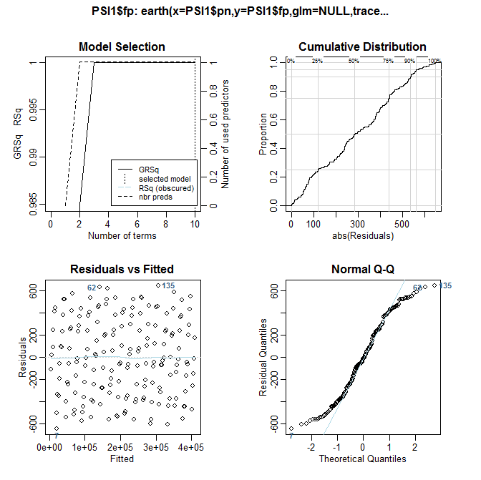
 | Tis is the earth functon setting used for all the above
 |  | fit<-earth( x = PSI1$pn, y=PSI1$fp , nk = 100, nfold = 20, ncross = 100, degree = 2, trace = 0, penalty = -1, newvar.penalty = 0, glm = NULL,
 |  | + thresh = 0, minspan = 0, fast.k = 0, fast.beta = 0, pmethod = "backward", nprune = NULL, Exhaustive.tol = 1e-10)

This is using a data set based on a 1288 PSI width running pn (PSI number) against streaming frame position. |  |  | This is using a data set based on a 1358 PSI width running pn (PSI number) against streaming frame position.
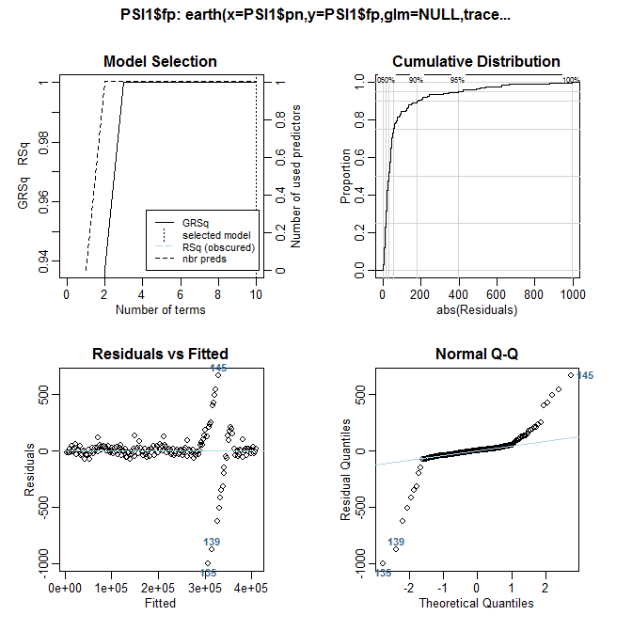
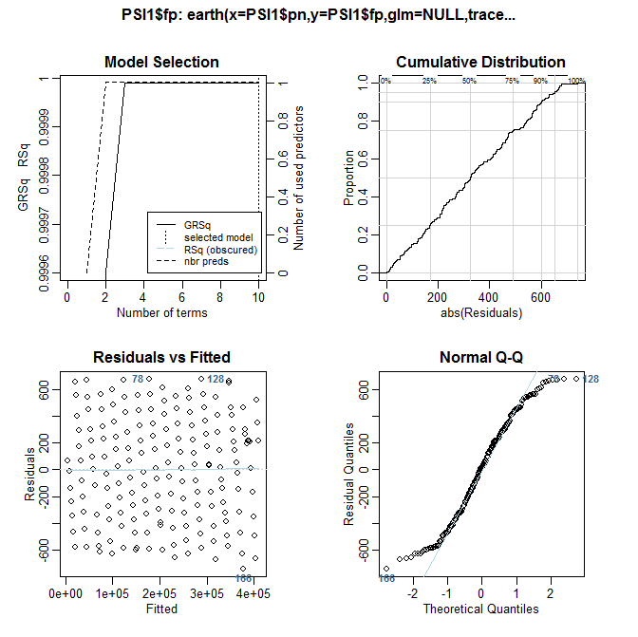
Note the curious behavior as PSI width changes. The data certainly shows a better fit at around 1288, but it still is off. Note the oscillation type behavior, especially in the 1358 plots. It is also visisble in the 1288, but much smaller.
This just does not seem to be working effectively.

This is using a data set based on a 1300 PSI width running pn (PSI number) against streaming frame position. |  |  | This is using a data set based on a 1225 PSI width running pn (PSI number) against streaming frame position.

